module fadd
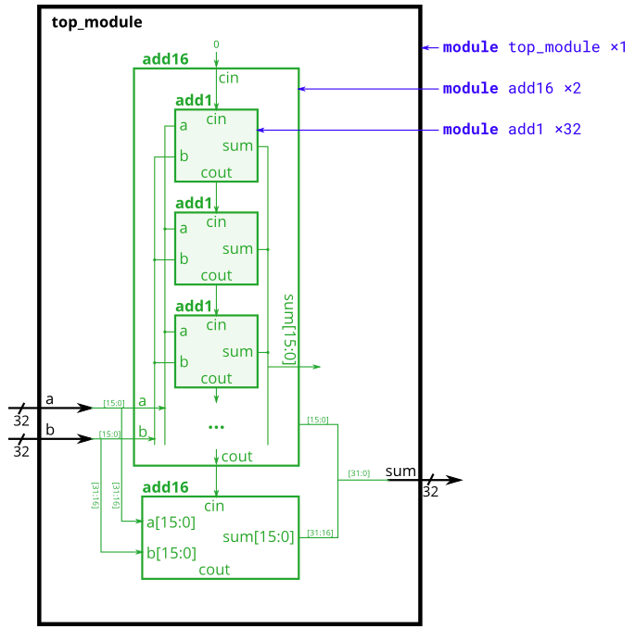
add16 module | module add16 ( input[15:0] a, input[15:0] b, input cin, output[15:0] sum, output cout ); | provided | Performs 16-bit addition | Instantiate 2 of these to create a 32-bit adder - one will compute the lower 16 bits of the addition result, and the other one computes the upper 16 bits of the result. The 32 bit adder assumed Cin = 0 and Cout = 0.
add1 module | module add1 ( input a, input b, input cin, output sum, output cout ); | not provided | Computes the sum and carry out of a + b + Cin | Within each add16 module, 16 full adders (add1) are instantiated to perform the addition.
top_module |  | not provided |  | instantiate two copies of add16 (provided).

1-bit full adder

